Sheet1
 | useRef hook holo
 | mutable reference object return kore

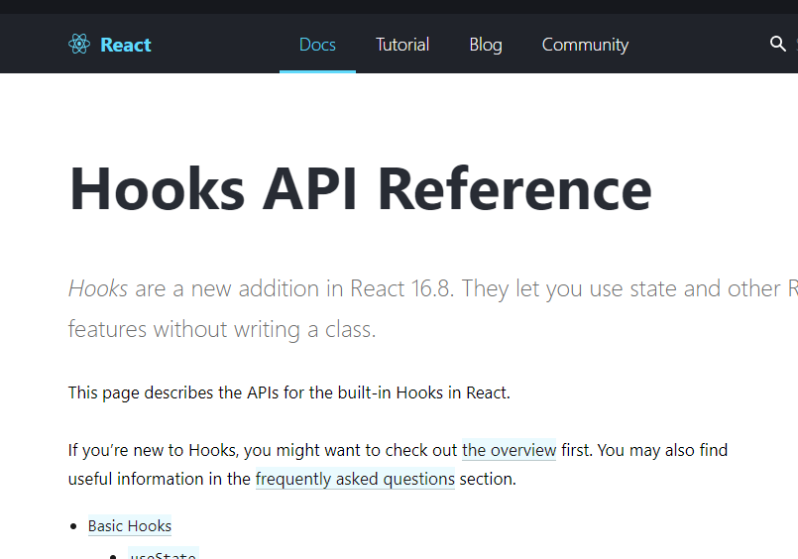

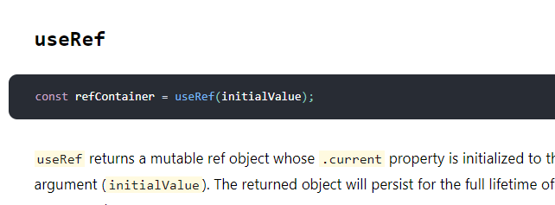

useRef hook

